Matrix
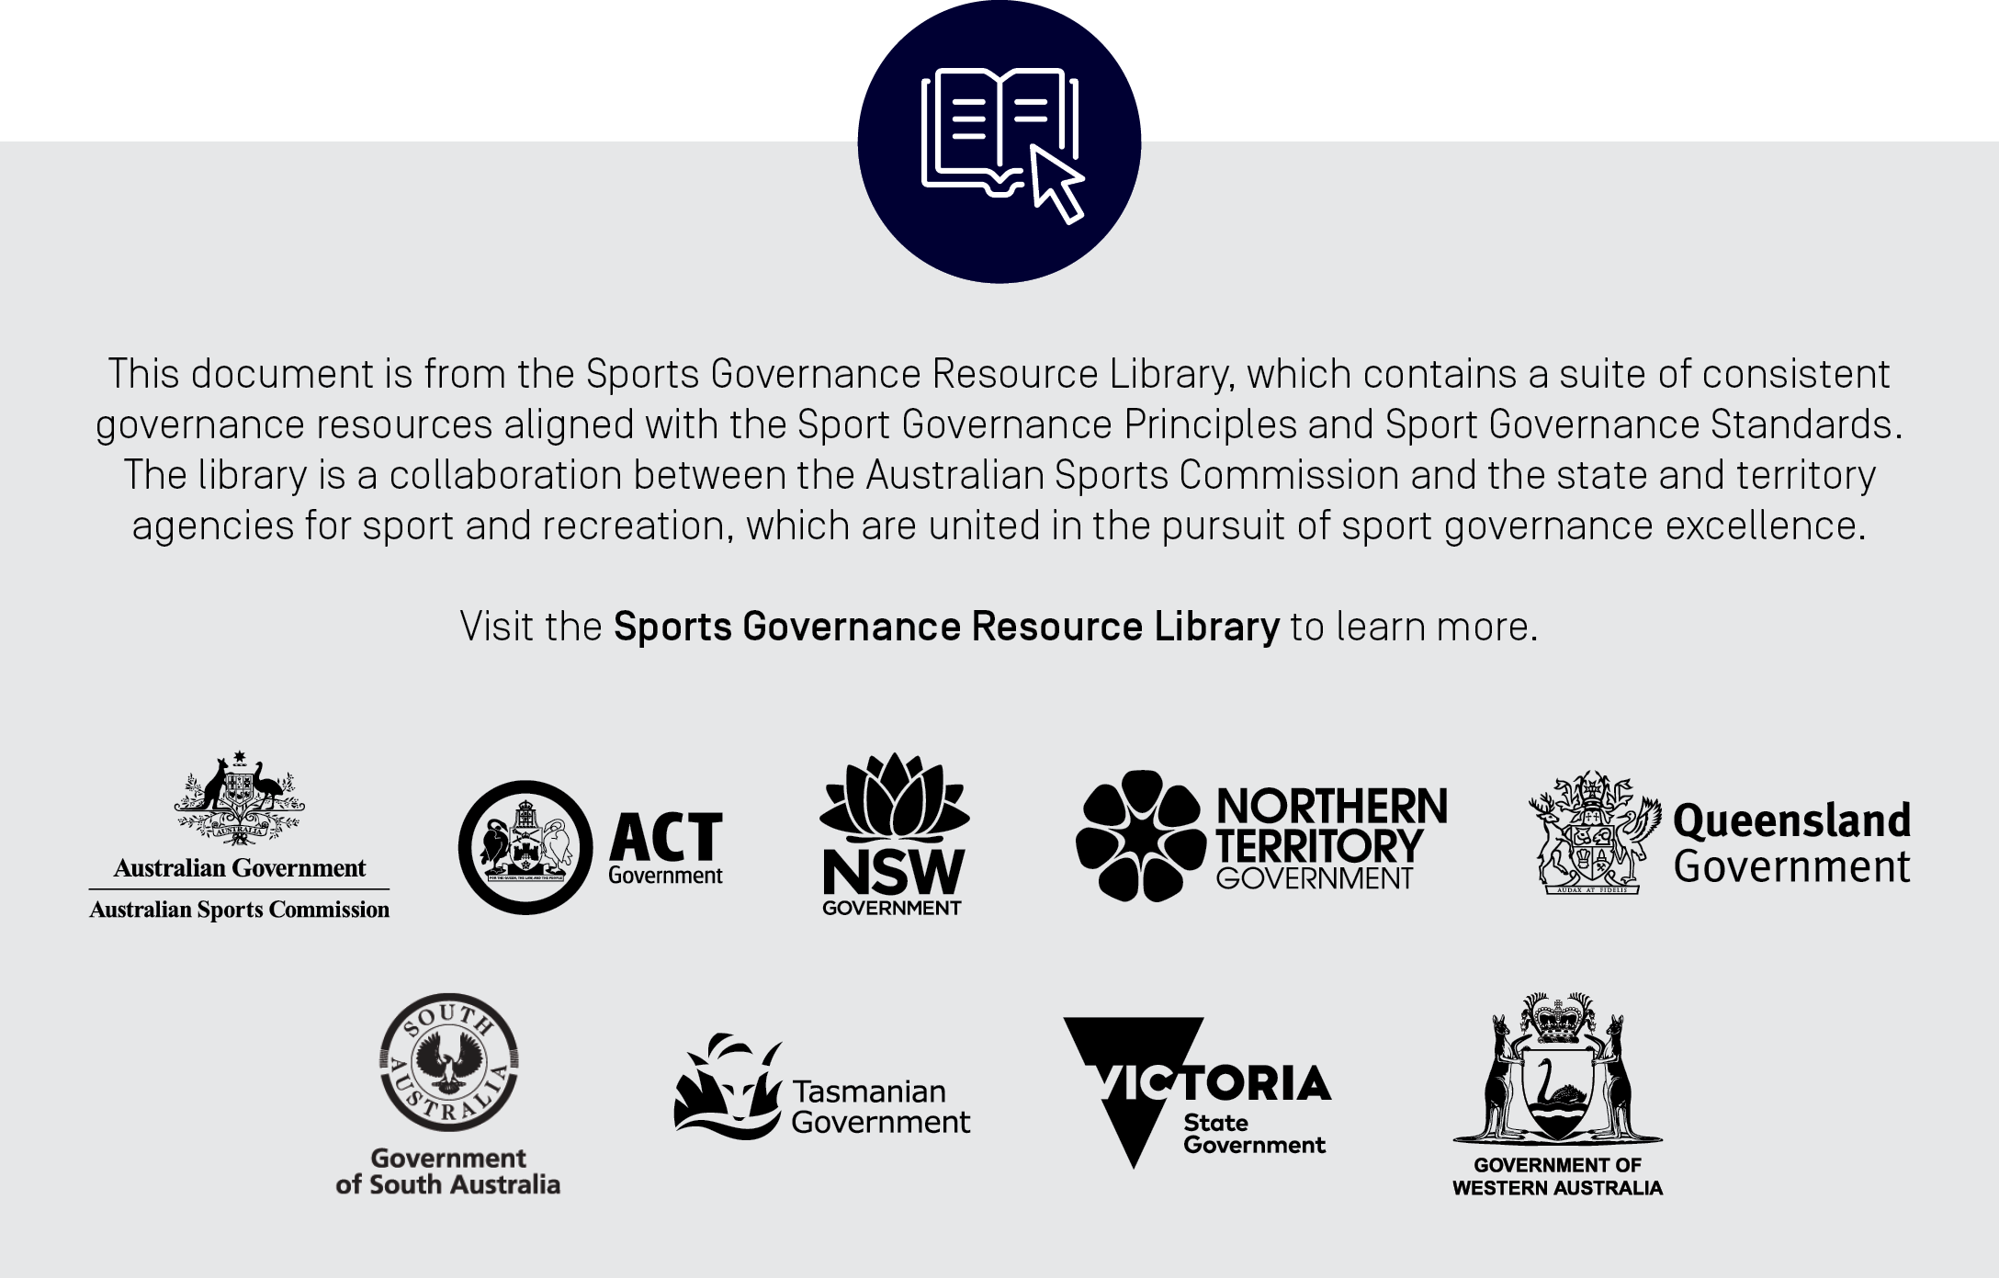
[Insert Sport Name]
Board Skills Matrix |  |  |  |  |  |  | Priority Legend |  |  |  | yes
 |  |  |  |  |  |  | High | 3 | Have significant experience and hold relevant qualifications for comprehensive understanding of the skill. This includes (but is not limited to) having had: |  |  |  |  | 1. Relevant experience of at least 5 years specific to the skill in an area directly relatable to the organisation, including experience on boards, or at a senior management level; 2. Relevant qualifications specific to the skill
This tool is designed to help boards assess the level of experience each director has in various skill areas, as well as the overall composition of the board as it relates to diversity. Please note that the list of skills is not exhaustive, and each organisation should condsider the appropriateness of the skills that it assesses, based on the the needs of the sport, and with specific reference to the strategic plan. |  |  |  |  |  |  | Medium | 2 | Have knowledge, experience or training sufficient for sound understanding of the skill. This includes (but is not limited to): |  |  |  |  | 1. Relevant experience of at least 3 years, specific to the skill; 2. Relevant qualifications specific to the skill
Directions: In the Skills/Experience Section, rate each board director using a scale of High(3) to Low/Not Applicable (1) to reflect the level of experience possessed in a particular area. In the Demographic Background Section, enter the qualifications as it relates to each director. Once completed, continue to Tab 2 ("Matrix Analysis"). |  |  |  |  |  |  | Low/NA | 1 | Have had some ancillary/indirect exposure through work experience or training sufficient to enable background awareness but not sound knowledge.

 | Board of Directors |  |  |  |  |  |  |  |  |  |  |  |  |  | Yes
 | Name | Name | Name | Name | Name | Name | Name | Name | Name | Name | Name | Name | Average |  | No
Term Expiration Date (enter Month/Year) |  |  |  |  |  |  |  |  |  |  |  |  |  |  | Prefer not to say
Current Term |  |  |  |  |  |  |  |  |  |  |  |  | NA
Maximum Term |  |  |  |  |  |  |  |  |  |  |  |  | NA
Appointed or Elected |  |  |  |  |  |  |  |  |  |  |  |  | NA
Core Skills
Business Administration | 3 | 2 | 1 | 3 | 2 | 1 | 3 | 2 | 1 | 3 | 2 | 1 | 2
Sport Knowledge |  |  |  |  |  |  |  |  |  |  |  |  | #DIV/0!
Board & Governance |  |  |  |  |  |  |  |  |  |  |  |  | #DIV/0!
Leadership |  |  |  |  |  |  |  |  |  |  |  |  | #DIV/0!
Strategic Planning |  |  |  |  |  |  |  |  |  |  |  |  | #DIV/0!
Stakeholder Engagement |  |  |  |  |  |  |  |  |  |  |  |  | #DIV/0!
Technical Skills
Commercial/Partnerships |  |  |  |  |  |  |  |  |  |  |  |  | #DIV/0!
Business Development |  |  |  |  |  |  |  |  |  |  |  |  | #DIV/0!
People & Culture |  |  |  |  |  |  |  |  |  |  |  |  | #DIV/0!
Project Management |  |  |  |  |  |  |  |  |  |  |  |  | #DIV/0!
Change Management |  |  |  |  |  |  |  |  |  |  |  |  | #DIV/0!
Legal |  |  |  |  |  |  |  |  |  |  |  |  | #DIV/0!
Risk Management |  |  |  |  |  |  |  |  |  |  |  |  | #DIV/0!
Government and Government Relations |  |  |  |  |  |  |  |  |  |  |  |  | #DIV/0!
Corporate and Private Sector |  |  |  |  |  |  |  |  |  |  |  |  | #DIV/0!
Public and Not-for-Profit Sector |  |  |  |  |  |  |  |  |  |  |  |  | #DIV/0!
Financial Management |  |  |  |  |  |  |  |  |  |  |  |  | #DIV/0!
Public Relations, Media & Communications |  |  |  |  |  |  |  |  |  |  |  |  | #DIV/0!
Marketing and Branding |  |  |  |  |  |  |  |  |  |  |  |  | #DIV/0!
High Performance Sport |  |  |  |  |  |  |  |  |  |  |  |  | #DIV/0!
Community Sport (Participation, Coaching/Officiating, Volunteering) |  |  |  |  |  |  |  |  |  |  |  |  | #DIV/0!
Information Technology & Digital Innovation |  |  |  |  |  |  |  |  |  |  |  |  | #DIV/0!
Research Techniques and Consumer Insights |  |  |  |  |  |  |  |  |  |  |  |  | #DIV/0!
Advocacy and lobbying |  |  |  |  |  |  |  |  |  |  |  |  | #DIV/0!
Philanthropy |  |  |  |  |  |  |  |  |  |  |  |  | #DIV/0!
Executive Coaching & Mentoring |  |  |  |  |  |  |  |  |  |  |  |  | #DIV/0!
Behavioural Skills
Engages Authentically |  |  |  |  |  |  |  |  |  |  |  |  | #DIV/0!
Challenges the status quo (innovative) |  |  |  |  |  |  |  |  |  |  |  |  | #DIV/0!
Emotional Intelligence |  |  |  |  |  |  |  |  |  |  |  |  | #DIV/0!
Adopts a Growth Mindset |  |  |  |  |  |  |  |  |  |  |  |  | #DIV/0!
Collaborative Problem Solving |  |  |  |  |  |  |  |  |  |  |  |  | #DIV/0!
Makes Evidence Based Decisions |  |  |  |  |  |  |  |  |  |  |  |  | #DIV/0!
Strategic decision-making and influence |  |  |  |  |  |  |  |  |  |  |  |  | #DIV/0!
Initiates Action (leading change) |  |  |  |  |  |  |  |  |  |  |  |  | #DIV/0!
Experience and Motivations
Formal Education (e.g. Degrees, Certificates) |  |  |  |  |  |  |  |  |  |  |  |  | #DIV/0!
Practical Experience (e.g. years in a specific role) |  |  |  |  |  |  |  |  |  |  |  |  | #DIV/0!
Motivations & Desire for further development |  |  |  |  |  |  |  |  |  |  |  |  | #DIV/0!
Lived experience |  |  |  |  |  |  |  |  |  |  |  |  | #DIV/0!
Diversity Profile
Gender
Man/male
Woman/female
Non-binary
Are you someone with trans experience (meaning your gender identity does not align with your sex assigned at birth)? (Yes/No)
Were you born with a variation of sex characteristics (sometimes called 'intersex')? (Yes/No)
Different identity (to be entered free text)
Prefer not to say
Age
18-24
25-35
36-45
46-55
56-65
Over 65
Aboriginal and Torres Strait Islander
Aboriginal
Torres Strait Islander
Aboriginal and Torres Strait Islander
Neither/No
Culturally, Racially and Linguistically Diverse
How would you describe your ethnicity?
Do you speak any language other than English at home?
If yes, enter language(s) as free text
Were you born overseas?
If yes, enter country as free text
Parents or one Parent born overseas (Yes/No)
If yes, enter country as free text for Parent 1
If yes, enter country as free text for Parent 2
How would you describe your sexual orientation?
Heterosexual (as straight)
Gay
Lesbian
Bisexual
Queer
I use a different term (please specify)
Prefer not to have a label
Prefer not to say
Disability
Yes/No/Prefer not to say
If yes, please select disability type
Accessibility needs - Yes/No
Geographical Location
Metropolitan
Rural
Remote
National Representation
Australian Capital Territory
New South Wales
Northern Territory
Queensland
South Australia
Tasmania
Victoria
Western Australia

